Report new
8/3/20

 |  |  |  |  |  |  |  |  |  |  |  |  |  |  |  |  |  |  |  |  |  |  |  | Item Code | Item Name | Color
 |  |  |  |  |  |  |  |  |  |  |  |  |  |  |  |  |  |  |  |  |  |  |  | 1008364 | 03 Y PJR 12 TAPE DYED | 58
 |  |  |  |  |  |  |  |  |  |  |  |  |  |  |  |  |  |  |  |  |  |  |  | 1008364 | 03 Y PJR 12 TAPE DYED | 158
 |  |  |  |  |  |  |  |  |  |  |  |  |  |  |  |  |  |  |  |  |  |  |  | 1008364 | 03 Y PJR 12 TAPE DYED | 196
 |  |  |  |  |  |  |  |  |  |  |  |  |  |  |  |  |  |  |  |  |  |  |  | 1008364 | 03 Y PJR 12 TAPE DYED | 501
 |  |  |  |  |  |  |  |  |  |  |  |  |  |  |  |  |  |  |  |  |  |  |  | 1008364 | 03 Y PJR 12 TAPE DYED | 560
 |  |  |  |  |  |  |  |  |  |  |  |  |  |  |  |  |  |  |  |  |  |  |  | 1008364 | 03 Y PJR 12 TAPE DYED | 580
 |  |  |  |  |  |  |  |  |  |  |  |  |  |  |  |  |  |  |  |  |  |  |  | 1008364 | 03 Y PJR 12 TAPE DYED | 896
 |  |  |  |  |  |  |  |  |  |  |  |  |  |  |  |  |  |  |  |  |  |  |  | 1008364 | 03 Y PJR 12 TAPE DYED | 960
 |  |  |  |  |  |  |  |  |  |  |  |  |  |  |  |  |  |  |  |  |  |  |  | 3815 | 03 M P12 TAPE DYED | 580
 |  |  |  |  |  |  |  |  |  | . |  |  |  |  |  |  |  |  |  |  |  |  |  | 3818 | 05 M PE14 DYED | 560
CHÚ Ý: HÀNG TRONG NGÀY
 |  |  |  |  |  |  |  |  |  |  |  |  |  |  |  |  |  |  |  |  |  |  |  | 3818 | 05 M PE14 DYED | 580
 |  |  |  |  |  |  |  |  |  |  |  |  |  |  |  |  |  |  |  |  |  |  |  | 4957 | 03Y CP12 TAPE DYED | J196S
 |  |  |  |  |  |  |  |  |  |  |  |  |  |  |  |  |  |  |  |  |  |  |  | 4957 | 03Y CP12 TAPE DYED | 501
 | Sum of RE_QTY | Column Labels |  |  |  |  |  |  |  |  |  |  |  |  |  |  |  |  |  |  |  |  |  | 4957 | 03Y CP12 TAPE DYED | N582
ITEM | Line | 20200723 | 20200724 | 20200727 | 20200728 | 20200729 | Grand Total |  |  |  |  |  |  |  |  |  |  |  |  |  |  |  |  | 1480816 | 04 Y CP2Y TAPE DYED | 501
3YFC | 22A | 12,493 | 147,867 | 439,829 | 250,909 | 6,198 | 857,296 |  |  |  |  |  |  |  |  |  |  |  |  |  |  |  |  | 1480816 | 04 Y CP2Y TAPE DYED | 196
DA | DA |  |  |  |  |  |  |  |  |  |  |  |  |  |  |  |  |  |  |  |  |  |  | 3817 | 05 M C14 TAPE DYED | N582
 | 13 |  |  | 745 |  |  | 745 |  |  |  |  |  |  |  |  |  |  |  |  |  |  |  |  | 2257684 | 03 Y C12 TAPE NAT | N581
 | 21 |  |  | 225 |  |  | 225
GS | GS | 12,493 | 147,867 | 438,859 | 250,909 | 6,198 | 856,326
4YFC | 22B |  |  | 19,313 | 24,848 |  | 44,161
5YFC | 22C |  | 8,734 | 43,580 | 49,912 | 3,300 | 105,526
3MFC | 22D |  | 5,258 | 16,235 | 20,347 | 8,348 | 50,188
5MFC | 22E |  | 9,823 | 35,234 | 16,312 | 11,518 | 72,887
SLP FC | 22J |  | 1,111 | 630 |  |  | 1,741
5MFO | 22L |  | 24,491 | 34,555 | 19,561 | 586 | 79,193
SPL FO | 22T |  | 146 | 136 |  |  | 282
MFM | 22U |  |  | 1,677 | 1,500 |  | 3,177
DA | DA
5MFM | 01 |  |  | 1,360 | 1,500 |  | 2,860
DU | DU
#N/A | 10 |  |  | 317 |  |  | 317
 | 22Y |  | 197 | 110 |  |  | 307
#N/A | Grand Total | 12,493 | 197,627 | 591,299 | 383,389 | 29,950 | 1,214,758
#N/A
#N/A
#N/A

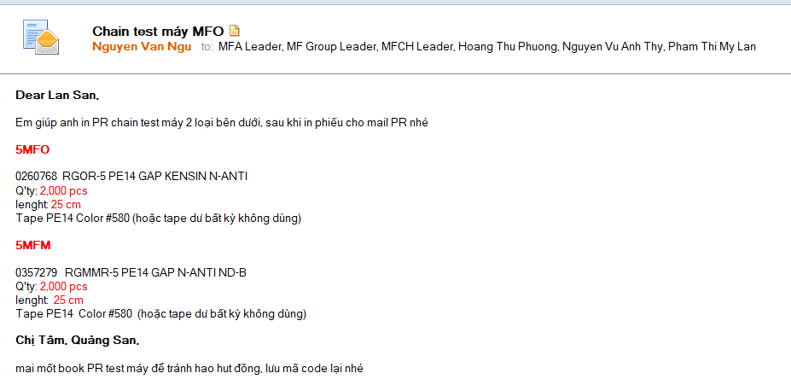

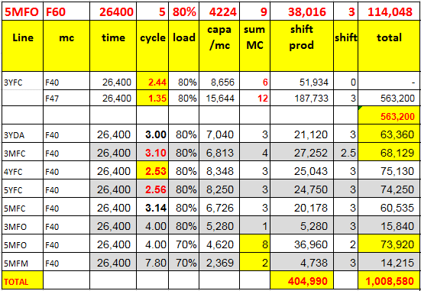
 |  |  |  |  |  |  |  |  |  |  |  | mc | time | cycle | load | capa /mc | sum MC | shift prod | shift | total | Plan | Man power

 |  |  |  |  |  |  |  |  |  |  | 3YFC | F40 | 26,400 | 2.50 | 80% | 8,448 | 6 | 50,688 | 1 | 50,688 | 90,000 | 5.3
 |  |  |  |  |  |  |  |  |  |  | 3YFC | F47 | 26,400 | 1.35 | 80% | 15,644 | 12 | 187,733 | 3 | 563,200 | 560,000 | 18.0 | 62,577.78
 |  |  |  |  |  |  |  |  |  |  |  |  |  |  |  |  |  |  |  | 613,888
 |  |  |  |  |  |  |  |  |  |  | 3YDA | F40 | 26,400 | 3.00 | 80% | 7,040 | 3 | 21,120 | 3 | 63,360 | 30,000 | 2.1
 |  |  |  |  |  |  |  |  |  |  | 3MFC | F40 | 26,400 | 3.10 | 80% | 6,813 | 4 | 27,252 | 2 | 54,503 | 40,000 | 2.9
 |  |  |  |  |  |  |  |  |  |  | 5MFC | F40 | 26,400 | 3.14 | 80% | 6,726 | 3 | 20,178 | 3 | 60,535 | 40,000 | 3.0
 |  |  |  | 128% |  |  |  |  |  |  | 4YFC | F40 | 26,400 | 2.50 | 80% | 8,448 | 3 | 25,344 | 3 | 76,032 | 40,000 | 2.5
 |  |  |  |  |  |  |  |  |  |  | 5YFC | F40 | 26,400 | 2.50 | 80% | 8,448 | 3 | 25,344 | 3 | 76,032 | 30,000 | 2.5
 |  |  |  |  |  |  |  |  |  |  | 3MFO | F40 | 26,400 | 4.00 | 80% | 5,280 | 1 | 5,280 | 3 | 15,840 | 7,000 | 2.0
 |  |  |  |  |  |  |  |  |  |  | 5MFO | F40 | 26,400 | 4.00 | 70% | 4,620 | 8 | 36,960 | 2 | 73,920 | 40,000 | 4.3
 |  |  |  |  |  |  |  |  |  |  | 5MFM | F40 | 26,400 | 7.80 | 70% | 2,369 | 2 | 4,738 | 3 | 14,215 | 5,000 | 2.0
 |  |  |  |  |  |  |  |  |  |  | 8MFO | F40 | 26,400 | 4.00 | 80% | 5,280 | 1 | 5,280 | 3 | 15,840
chain test máy
 |  |  |  |  |  |  |  |  |  |  | TOTAL |  |  |  |  |  |  | 404,638 |  | 1,048,326 | 882,000 | 44.7
 |  |  |  |  |  |  |  |  |  |  |  | F32 |  |  |  |  |  |  |  |  |  | 2
 |  |  |  |  |  |  |  |  |  |  | F52,60,54 | F60 | 26400 | 5 | 80% | 4224 | 9 | 38,016 | 3 | 114,048 |  | 2
Element pitch |  | Tape | Color # | code | length | Q'ty (pcs) /week |  |  |  |  | kenshin |  |  |  |  |  |  |  |  |  |  | 2.0
97 |  | 5MFO | #580 | 3537407 | 25cm | 2,000 |  | 5MFO | 25cm | 2,000 | Finalinspection |  |  |  |  |  |  |  |  |  |  | 2.0
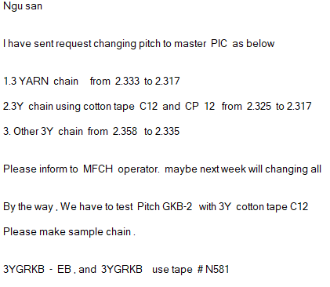
 | 20181002 | 20181003 | 20181004 | 20181006
[GK] | 2270 | 9157 | 9674 | 0
[GKB] | 149835 | 233050 | 88080 | 0
[GTH&GTX] | 18784 | 34447 | 17837 | 0
[GTH] | 53818 | 72740 | 18658 | 77
[GTX] | 5221 | 13520 | 14523 | 0
[WASHING] | 46393 | 431547 | 74681 | 0
[GTX,GTH E | 0 | 3991 | 20782 | 0
97 |  | 5MFM | #580 | 3511442 | 25cm | 500 |  | 5MFM | 25cm | 500
97 |  | 8MFO | #580 |  | 25cm | 150

 |  |  |  |  |  |  |  |  |  |  |  |  |  |  |  |  |  |  |  |  |  |  |  | #NAME?

